Trang tính8
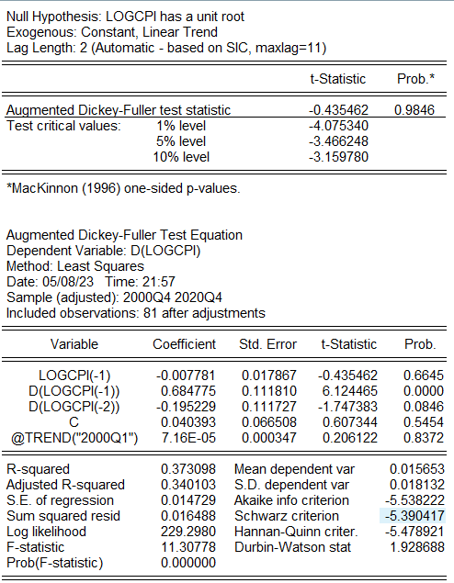
Null Hypothesis: LOGCPI has a unit root
Exogenous: Constant, Linear Trend
Lag Length: 2 (Automatic - based on SIC, maxlag=11)

 |  |  | t-Statistic | Prob.*

Augmented Dickey-Fuller test statistic |  |  | -435,462 | 9,846
Test critical values: | 1% level |  | -4,075,340
 | 5% level |  | -3,466,248
 | 10% level |  | -3,159,780

*MacKinnon (1996) one-sided p-values.

Augmented Dickey-Fuller Test Equation
Dependent Variable: D(LOGCPI)
Method: Least Squares
Date: 05/08/23 Time: 21:57
Sample (adjusted): 2000Q4 2020Q4
Included observations: 81 after adjustments

Variable | Coefficient | Std. Error | t-Statistic | Prob.

LOGCPI(-1) | -7,781 | 17,867 | -435,462 | 6,645
D(LOGCPI(-1)) | 684,775 | 111,810 | 6,124,465 | 0
D(LOGCPI(-2)) | -195,229 | 111,727 | -1,747,383 | 846
C | 40,393 | 66,508 | 607,344 | 5,454
@TREND("2000Q1") | 7.16E-05 | 347 | 206,122 | 8,372

R-squared | 373,098 | Mean dependent var |  | 15,653
Adjusted R-squared | 340,103 | S.D. dependent var |  | 18,132
S.E. of regression | 14,729 | Akaike info criterion |  | -5,538,222
Sum squared resid | 16,488 | Schwarz criterion |  | -5,390,417
Log likelihood | 2,292,980 | Hannan-Quinn criter. |  | -5,478,921
F-statistic | 1,130,778 | Durbin-Watson stat |  | 1,928,688
Prob(F-statistic) | 0

Trang tính9
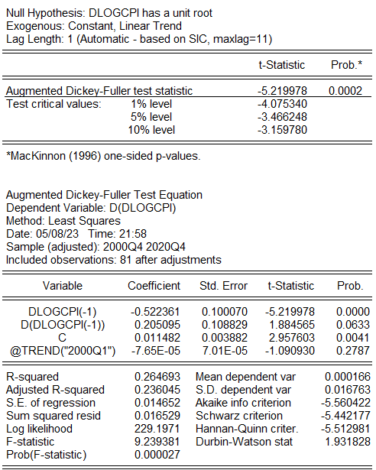
Null Hypothesis: DLOGCPI has a unit root
Exogenous: Constant, Linear Trend
Lag Length: 1 (Automatic - based on SIC, maxlag=11)

 |  |  | t-Statistic | Prob.*

Augmented Dickey-Fuller test statistic |  |  | -5,219,978 | 2
Test critical values: | 1% level |  | -4,075,340
 | 5% level |  | -3,466,248
 | 10% level |  | -3,159,780

*MacKinnon (1996) one-sided p-values.

Augmented Dickey-Fuller Test Equation
Dependent Variable: D(DLOGCPI)
Method: Least Squares
Date: 05/08/23 Time: 21:58
Sample (adjusted): 2000Q4 2020Q4
Included observations: 81 after adjustments

Variable | Coefficient | Std. Error | t-Statistic | Prob.

DLOGCPI(-1) | -522,361 | 100,070 | -5,219,978 | 0
D(DLOGCPI(-1)) | 205,095 | 108,829 | 1,884,565 | 633
C | 11,482 | 3,882 | 2,957,603 | 41
@TREND("2000Q1") | -7.65E-05 | 7.01E-05 | -1,090,930 | 2,787

R-squared | 264,693 | Mean dependent var |  | 166
Adjusted R-squared | 236,045 | S.D. dependent var |  | 16,763
S.E. of regression | 14,652 | Akaike info criterion |  | -5,560,422
Sum squared resid | 16,529 | Schwarz criterion |  | -5,442,177
Log likelihood | 2,291,971 | Hannan-Quinn criter. |  | -5,512,981
F-statistic | 9,239,381 | Durbin-Watson stat |  | 1,931,828
Prob(F-statistic) | 27

Trang tính10
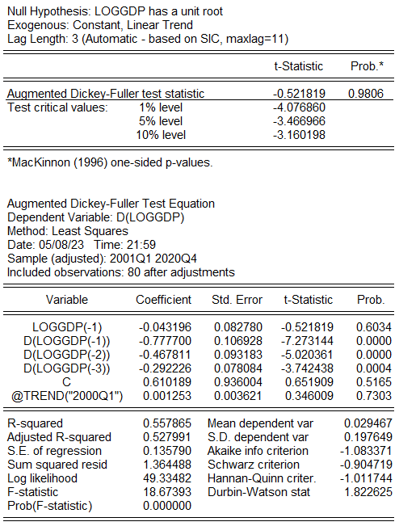
Null Hypothesis: LOGGDP has a unit root
Exogenous: Constant, Linear Trend
Lag Length: 3 (Automatic - based on SIC, maxlag=11)

 |  |  | t-Statistic | Prob.*

Augmented Dickey-Fuller test statistic |  |  | -521,819 | 9,806
Test critical values: | 1% level |  | -4,076,860
 | 5% level |  | -3,466,966
 | 10% level |  | -3,160,198

*MacKinnon (1996) one-sided p-values.

Augmented Dickey-Fuller Test Equation
Dependent Variable: D(LOGGDP)
Method: Least Squares
Date: 05/08/23 Time: 21:59
Sample (adjusted): 2001Q1 2020Q4
Included observations: 80 after adjustments

Variable | Coefficient | Std. Error | t-Statistic | Prob.

LOGGDP(-1) | -43,196 | 82,780 | -521,819 | 6,034
D(LOGGDP(-1)) | -777,700 | 106,928 | -7,273,144 | 0
D(LOGGDP(-2)) | -467,811 | 93,183 | -5,020,361 | 0
D(LOGGDP(-3)) | -292,226 | 78,084 | -3,742,438 | 4
C | 610,189 | 936,004 | 651,909 | 5,165
@TREND("2000Q1") | 1,253 | 3,621 | 346,009 | 7,303

R-squared | 557,865 | Mean dependent var |  | 29,467
Adjusted R-squared | 527,991 | S.D. dependent var |  | 197,649
S.E. of regression | 135,790 | Akaike info criterion |  | -1,083,371
Sum squared resid | 1,364,488 | Schwarz criterion |  | -904,719
Log likelihood | 4,933,482 | Hannan-Quinn criter. |  | -1,011,744
F-statistic | 1,867,393 | Durbin-Watson stat |  | 1,822,625
Prob(F-statistic) | 0

Trang tính11
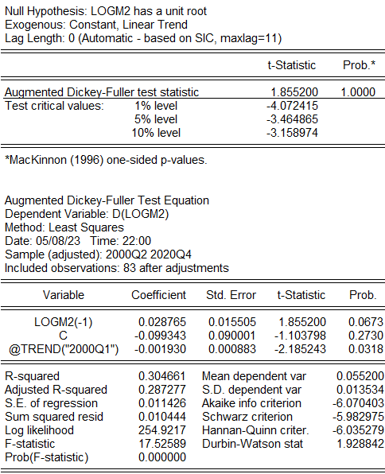
Null Hypothesis: LOGM2 has a unit root
Exogenous: Constant, Linear Trend
Lag Length: 0 (Automatic - based on SIC, maxlag=11)

 |  |  | t-Statistic | Prob.*

Augmented Dickey-Fuller test statistic |  |  | 1,855,200 | 2000-01-01
Test critical values: | 1% level |  | -4,072,415
 | 5% level |  | -3,464,865
 | 10% level |  | -3,158,974

*MacKinnon (1996) one-sided p-values.

Augmented Dickey-Fuller Test Equation
Dependent Variable: D(LOGM2)
Method: Least Squares
Date: 05/08/23 Time: 22:00
Sample (adjusted): 2000Q2 2020Q4
Included observations: 83 after adjustments

Variable | Coefficient | Std. Error | t-Statistic | Prob.

LOGM2(-1) | 28,765 | 15,505 | 1,855,200 | 673
C | -99,343 | 90,001 | -1,103,798 | 2,730
@TREND("2000Q1") | -1,930 | 883 | -2,185,243 | 318

R-squared | 304,661 | Mean dependent var |  | 55,200
Adjusted R-squared | 287,277 | S.D. dependent var |  | 13,534
S.E. of regression | 11,426 | Akaike info criterion |  | -6,070,403
Sum squared resid | 10,444 | Schwarz criterion |  | -5,982,975
Log likelihood | 2,549,217 | Hannan-Quinn criter. |  | -6,035,279
F-statistic | 1,752,589 | Durbin-Watson stat |  | 1,928,842
Prob(F-statistic) | 0

Trang tính12
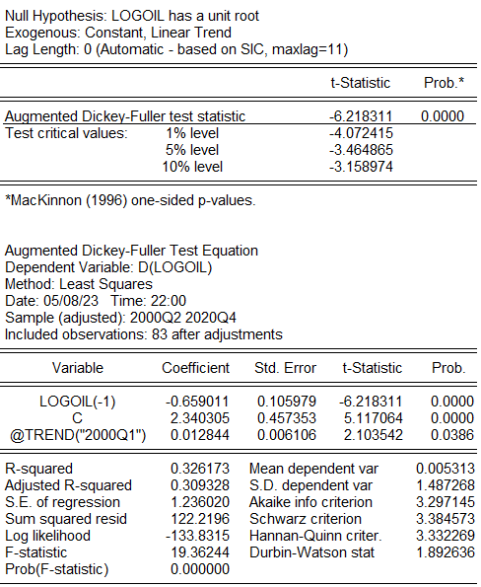
Null Hypothesis: LOGOIL has a unit root
Exogenous: Constant, Linear Trend
Lag Length: 0 (Automatic - based on SIC, maxlag=11)

 |  |  | t-Statistic | Prob.*

Augmented Dickey-Fuller test statistic |  |  | -6,218,311 | 0
Test critical values: | 1% level |  | -4,072,415
 | 5% level |  | -3,464,865
 | 10% level |  | -3,158,974

*MacKinnon (1996) one-sided p-values.

Augmented Dickey-Fuller Test Equation
Dependent Variable: D(LOGOIL)
Method: Least Squares
Date: 05/08/23 Time: 22:00
Sample (adjusted): 2000Q2 2020Q4
Included observations: 83 after adjustments

Variable | Coefficient | Std. Error | t-Statistic | Prob.

LOGOIL(-1) | -659,011 | 105,979 | -6,218,311 | 0
C | 2,340,305 | 457,353 | 5,117,064 | 0
@TREND("2000Q1") | 12,844 | 6,106 | 2,103,542 | 386

R-squared | 326,173 | Mean dependent var |  | 5,313
Adjusted R-squared | 309,328 | S.D. dependent var |  | 1,487,268
S.E. of regression | 1,236,020 | Akaike info criterion |  | 3,297,145
Sum squared resid | 1,222,196 | Schwarz criterion |  | 3,384,573
Log likelihood | -1,338,315 | Hannan-Quinn criter. |  | 3,332,269
F-statistic | 1,936,244 | Durbin-Watson stat |  | 1,892,636
Prob(F-statistic) | 0

Trang tính13
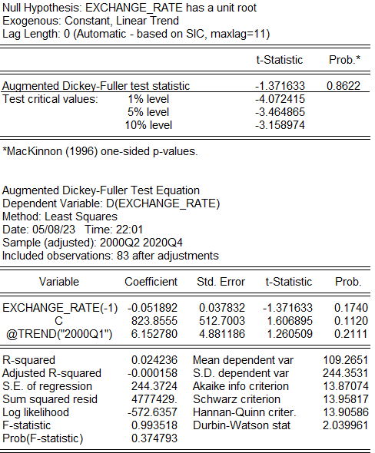
Null Hypothesis: EXCHANGE_RATE has a unit root
Exogenous: Constant, Linear Trend
Lag Length: 0 (Automatic - based on SIC, maxlag=11)

 |  |  | t-Statistic | Prob.*

Augmented Dickey-Fuller test statistic |  |  | -1,371,633 | 8,622
Test critical values: | 1% level |  | -4,072,415
 | 5% level |  | -3,464,865
 | 10% level |  | -3,158,974

*MacKinnon (1996) one-sided p-values.

Augmented Dickey-Fuller Test Equation
Dependent Variable: D(EXCHANGE_RATE)
Method: Least Squares
Date: 05/08/23 Time: 22:01
Sample (adjusted): 2000Q2 2020Q4
Included observations: 83 after adjustments

Variable | Coefficient | Std. Error | t-Statistic | Prob.

EXCHANGE_RATE(-1) | -51,892 | 37,832 | -1,371,633 | 1,740
C | 8,238,555 | 5,127,003 | 1,606,895 | 1,120
@TREND("2000Q1") | 6,152,780 | 4,881,186 | 1,260,509 | 2,111

R-squared | 24,236 | Mean dependent var |  | 1,092,651
Adjusted R-squared | -158 | S.D. dependent var |  | 2,443,531
S.E. of regression | 2,443,724 | Akaike info criterion |  | 1,387,074
Sum squared resid | 4777429. | Schwarz criterion |  | 1,395,817
Log likelihood | -5,726,357 | Hannan-Quinn criter. |  | 1,390,586
F-statistic | 993,518 | Durbin-Watson stat |  | 2,039,961
Prob(F-statistic) | 374,793

